Général_infos
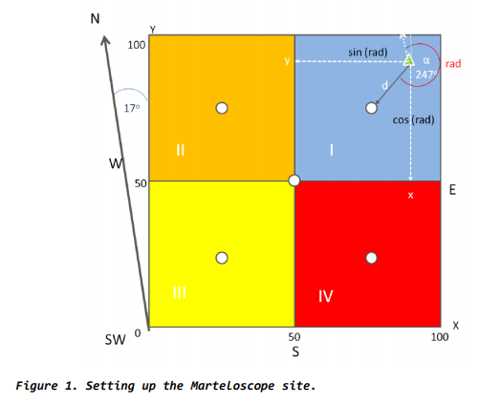

Data collection in the field (some support)
Data collected in the field are those under the black coloured colums: tree species, dbh, tree height, crown base height (optional), QMP (quadant number), status (0/1: dead/ live) and X/Y coordinates. Further the qualitative assessement of wood assortments is done in the field as an expert assessement: e.g. 9 meters B-quality, 8.5 meters C-quality, remaining meters fuelwood. Tree microhabitats are assessed in the field using the tree microhabitat catalogue (see next textbox below for more info).
Size/form of a Marteloscope and assessment of tree coordinates in the field
The size of a Marteloscope should be fixed to 1 hectare with side lengths of 100 x 100 m. Size and form should be tailored to the planned use of the Marteloscope and the geography and local conditions. So they may in exceptional cases differ from the regular rectangular shape/size.
The following description has been applied in the Integrate+ project to delineate the Marteloscope square of 100 x 100 m and the geo-referencing of the individual trees:
- The center of the square is determined and subdivided into four quadrants (see Fig. 1).
- The angle of the Marteloscope to North should be measured accurately (in Fig. 1 it is 17⁰).
- Following the division into quadrants, (1) the distance in meters (in Fig 1 distance "d"; rounding to next tenth of a meter e.g. 10.3, 9.4, 4.9 etc.) and (2) the azimuth (in Fig. 1 it is 247⁰) for each tree is measured to the center points of each quadrant.
- Always note the quadrant number you are working in (1, 2, 3 or 4) with each tree measured (see column in the M-scope_Data_Sheet: "QMP").
- When entering the distances in meters (e.g. 10.3 m) and angles (e.g. 247⁰) in the Mscope_Data_Sheet for individual trees use the colums "X [m]" and "Y [m]". Be consistent in entry. This is done if you do not directly convert to X and Y coordinates. The IT team can then assist in the conversion to coordinates.
- You can also do the conversion of angles and distances to ‘X’ and ‘Y’ coordinates yourself through ‘sin’ and ‘cos’ functions.
- Be sure to enter the final values in the correct column of the Excel sheet for each tree.
Note:
There are of course other approaches and equipment that can be applied for setting up the Marteloscope plot and the geo-referencing of the individual trees. One example is Field Map (for more information visit: http://www.fieldmap.cz/).
For more information consut e.g. the publication: https://www.researchgate.net/publication/323018962_Seeing_is_building_better_understanding_-_the_Integrate_Marteloscopes
Parameters to enter in the Excel sheet (explanations)
There are also brief explanations (as comments; see red arrows upper right corner of cells) in row 1 for the different parameters (columns) in the M-scope_Data_Sheet.; note also the text box for quality section data!

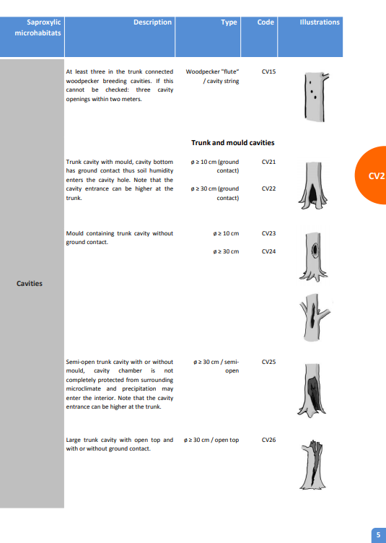

Entering tree microhabitat data to the Excel sheet
When entering tree microhabitat data use the Work Sheet Tree_Microhabitats.
- Enter the number of tree microhabitats in the corresponding row (tree number: e.g. 134, 251etc) and column (Microhabitat type: CV11, IN13, EP12 etc.). If there is a microhabitat type observed it will be usually one observation.Enter a "1"ni that cell.
- If you find more than one mircohabitat of the same category on one tree (e.g. 2x CV11, 3x EP22 then add "2", "3" etc.) enter the observed number in the cell (e.g. "2", "3").
- There can e occur more than one microhabitat type per tree (e.g. CV11; IN31 and NE11). Add them under the corresponding row (tree number) and columns (microhabitat type).
- DO NOT enter anything in the rows 1-4
- Find the tree microhabitat catalogue in 14 languages at: https://informar.eu/tree-microhabitats
Some advice for recording tree microhabitats in the field
- Bring and use binoculars!
- Broadleaved trees are best assessed when leaves have fallen.
- Only record tree microhabitats that can be clearly identified and fully fit the given description. Many trees may not have microhabitats - so do not try to find any where there are none or it is questionable.

